Sheet2
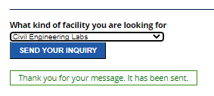
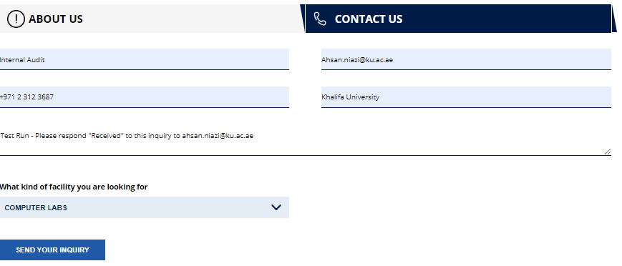
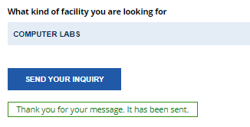
 | Budget | Actual
2019 | 134,724,000.00 | 59,930,967.00
2020 | 63,141,000.00 | 56,872,675.00
2021 | 49,095,000.00 | 38,442,418.00
2022 | 66,229,000.00 | 51,338,733.00
 | Budget | Actual
2019 | 134,724,000.00 | 59,930,967.00
2020 | 63,141,000.00 | 56,872,675.00
2021 | 49,095,000.00 | 38,442,418.00
2022 | 66,229,000.00 | 51,338,733.00

2019 | 59,930,967.00
2020 | 58,259,930.94
2021 | 36,862,523.59
2022 | 51,338,733.00
2023 | 17,835,299.00


Sports | Sports Hall | 13:52:00
Consultancy | Petroleum Engineering | 13:54:00
Laboratory Rental | Civil Engineering Labs | 13:55:00
Venue Rental | Computer Labs | 13:58:00

Sheet4
 | Submitted | Approved | Actual
2020 | 41,800,000 | 63,141,000.00 | 56,872,675.00 | 15,072,675.00 | -6,268,325.00 | 36% | -10%
2021 | 41,800,000 | 49,095,000.00 | 38,442,418.00 | -3,357,582.00 | -10,652,582.00 | -8% | -22%
2022 | 38,451,660 | 66,229,000.00 | 51,338,733.00 | 12,887,073.00 | -14,890,267.00 | 34% | -22%
 |  |  |  |  |  | 21% | -18%

